START HERE!
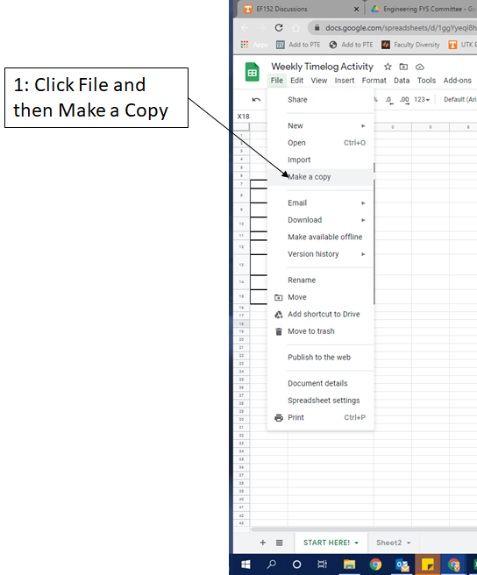
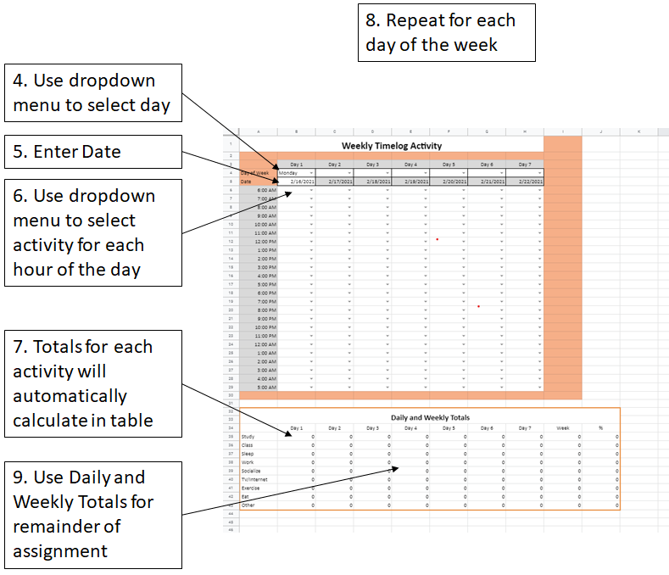
Please read instructions first!

 | Instructions

1 | Click File and then Make a Copy.
2 | Rename the Copy as Lastname_Firstname_Timelog
3 | Save location of your copy to refer to throughout the week
4 | Use dropbox menu to select day in Cell B4
5 | Enter Date in Cell B5
6 | Use dropdown menu to select activity for each hour of the day.
7 | Totals for each activity category will automatically calculate in table titled Daily and Weekly Totals
8 | Repeat Process for each day of the week
9 | Use Daily and Weekly Totals for remainder of assignment.
10 | Change permissions to let anyone view the sheet if they have a link
11 | Submit a link to your Google Sheet as part of this assignment.
Once you have read the instructions, proceed to the Time Log Activity tab.

